Export all carrier choices
TEST CASE

System Name： | WhatsApp
Module | TC-01
Test requirement: | -
Pass | 10 | Pending | 0
Fail | 0 | Number of test cases: | 10

ID | Test Case Description | Test Case Procedure | Expected Output | Test date | Result | Note

TCM1 | Login & Verification using OTP or QR code | 1. Open WhatsApp Web at web.whatsapp.com 2. Scan the QR code using a mobile device: 2a. Open the WhatsApp menu (⁝), select "Linked devices" 2b. Click the "Link a device" button (it may require device authentication) 2c. Scan the QR code on WhatsApp web 3. Observe whether the user is logged in | User is successfully logged in and WhatsApp Web interface is loaded | 2025-06-08 | Pass | 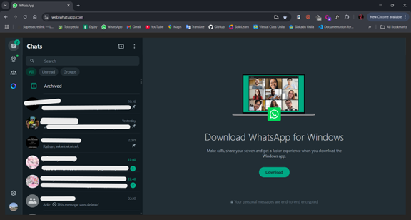
TCM2 | Status updates: upload and view | 1. Open WhatsApp on mobile device 2. Go to Status tab 3. Upload a photo or text status 4. Open another account to view the status | Status is visible from other account, displays as uploaded | 2025-06-09 | Pass | 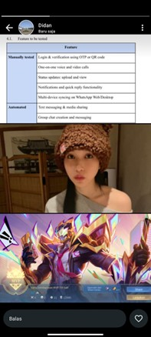
TCM3 | One-on-one voice and video calls | One-on-One Voice Call via WhatsApp Web 1. Open WhatsApp Web 2. select a contact from the recent chats or search for one 3. Click the phone icon in the top right corner of the chat to initiate a voice call 4. Observe whether the voice call interface opens and the call is ringing 5. Check if the call connects and voice is transmitted clearly between both users One-on-One Video Call via WhatsApp Web 1. Open WhatsApp Web 2. select a contact from the recent chats or search for one 3. Click the video camera icon in the top right corner of the chat to start a video call 4. Observe whether the video call interface appears and camera permissions are requested 5. Ensure that both users can see and hear each other after the call connects | Call interface is launched and initiates connection | 2025-06-09 | Pass | 
TCM4 | Notifications and quick reply functionality | 1. Open WhatsApp Web 2. select a contact from the recent chats or search for one 3. Click the phone icon in the top right corner of the chat to initiate a voice call 4. Observe whether the voice call interface opens and the call is ringing | Notification is shown and reply is sent correctly via quick reply box | 2025-06-09 | Pass | 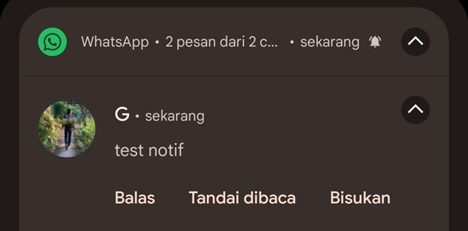
TCM5 | Multi-platform syncing | 1. Log in on WhatsApp from two different platforms 2. Send a message from a platform 3. Check message appearance on the other platform | Message syncs across platforms in near real time | 2025-06-09 | Pass | 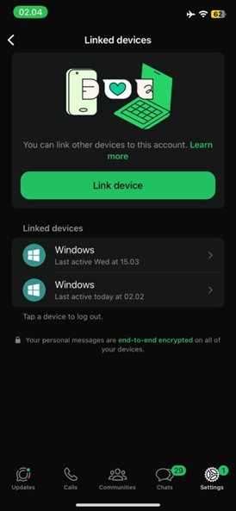
TCA1 | Group chat creation and messaging | 1. Open WhatsApp Web using selenium 2. Click “New Chat” → “New Group” 3. Add participants and create the group 4. Send a message in the group | Group is created successfully and message is sent and displayed in group chat | 2025-06-09 | Pass | Test dijalankan dengan otomasi selenium: script ada di github
TCA2 | End-to-end encryption validation | 1. Open WhatsApp Web using selenium 2. Open WhatsApp chat with a contact 3. Tap on contact info 4. View encryption notice | Message “Messages are end-to-end encrypted” is visible in contact info | 2025-06-09 | Pass | Test dijalankan dengan otomasi selenium: script ada di github
TCA3 | Tab navigation and responsive UI design | 1. Open WhatsApp Web using selenium 2. Switch between Chat, Status, and Calls tab 3. Resize browser window | Tabs respond correctly and UI elements adjust responsively without distortion | 2025-06-09 | Pass | Test dijalankan dengan otomasi selenium: script ada di github
TCA4 | Text messaging & media sharing | 1. Open WhatsApp Web using selenium 2. Select a contact and send a text message 3. Send an image/document | Message and media are sent and appear in the chat | 2025-06-09 | Pass | Test dijalankan dengan otomasi selenium: script ada di github
TCA5 | File sending with compression or large media | 1. Open WhatsApp Web using selenium 2. Use Selenium to upload large image or document file 3. Send the file | File is compressed (if applicable) and successfully sent to recipient | 2025-06-09 | Pass | Test dijalankan dengan otomasi selenium: script ada di github

